Sheet1
No | Catalog | Part Number | Title | Subtitle | Price | Vehicle W/o Engine | Vehicle W/ Engine | Picture | Url
1 | Nissan | 16585-5EA0B | Resonator - Nissan (16585-5EA0B) | 2022-2023 Nissan Versa - 165855ea0b | 25.43 | Nissan Versa 2022-2023 | Nissan Versa 2022-2023 1.6L L4 - Gas | 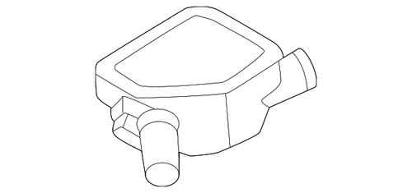 | https://nissan.oempartsonline.com/oem-parts/nissan-resonator-165855ea0b
2 | Nissan | 16585-6CA0A | Resonator - Nissan (16585-6CA0A) | 2019-2024 Nissan Altima - 165856ca0a | 35.54 | Nissan Altima 2019-2024 | Nissan Altima 2019-2024 2.5L L4 - Gas | 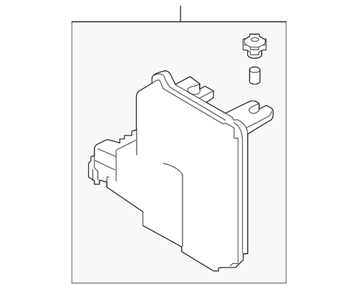 | https://nissan.oempartsonline.com/oem-parts/nissan-resonator-165856ca0a
3 | Nissan | 16585-6RC1B | Resonator - Nissan (16585-6RC1B) | 2022-2023 Nissan Rogue - 165856rc1b | 40.06 | Nissan Rogue 2022-2023 | Nissan Rogue 2022-2023 1.5L L3 - Gas | 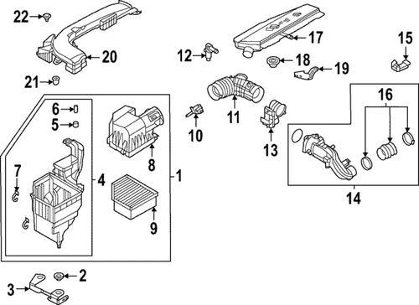 | https://nissan.oempartsonline.com/oem-parts/nissan-resonator-165856rc1b
4 | Nissan | 16549-1LA0A | Resonator - Nissan (16549-1LA0A) | 2017-2024 Nissan Armada - 165491la0a | 182.31 | Nissan Armada 2017-2024 | Nissan Armada 2017-2024 5.6L V8 - Gas | 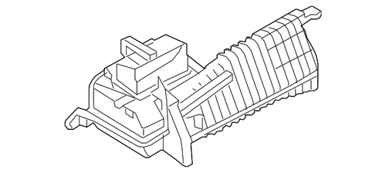 | https://nissan.oempartsonline.com/oem-parts/nissan-resonator-165491la0a
5 | Nissan | 16576-31U17 | Resonator - Nissan (16576-31U17) | 1997-1999 Nissan Maxima - 1657631u17 | 292.35 | Nissan Maxima 1997-1999 | Nissan Maxima 1997-1999 3.0L V6 - Gas | 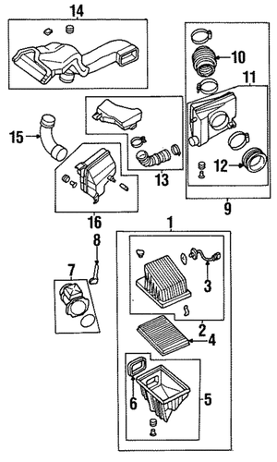 | https://nissan.oempartsonline.com/oem-parts/nissan-resonator-1657631u17
6 | Nissan | 20350-4W020 | Resonator - Nissan (20350-4W020) | 2000-2004 Nissan Pathfinder - 203504w020 | 282.36 | Nissan Pathfinder 2000-2004 | Nissan Pathfinder 2000 3.3L V6 - Gas Nissan Pathfinder 2001-2004 3.5L V6 - Gas | 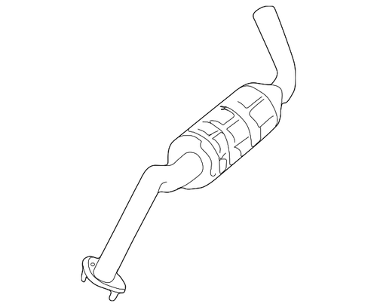 | https://nissan.oempartsonline.com/oem-parts/nissan-resonator-203504w020
7 | Nissan | 16554-3RC2A | Resonator - Nissan (16554-3RC2A) | 2013-2019 Nissan Sentra - 165543rc2a | 96.54 | Nissan Sentra 2013-2019 | Nissan Sentra 2013-2019 1.8L L4 - Gas | 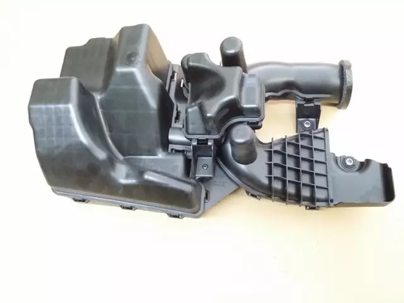 | https://nissan.oempartsonline.com/oem-parts/nissan-resonator-165543rc2a
8 | Nissan | 16585-4Z101 | Resonator - Nissan (16585-4Z101) | 2000-2006 Nissan Sentra - 165854z101 | 42.3 | Nissan Sentra 2000-2006 | Nissan Sentra 2000-2006 1.8L L4 - Gas | 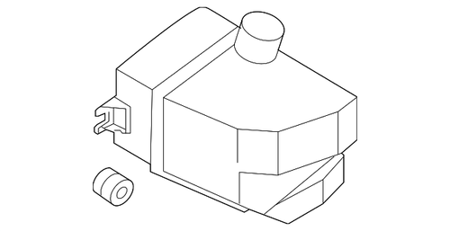 | https://nissan.oempartsonline.com/oem-parts/nissan-resonator-165854z101
9 | Nissan | 16585-5EA0A | Resonator - Nissan (16585-5EA0A) | 2020-2021 Nissan Versa - 165855ea0a | 27.29 | Nissan Versa 2020-2021 | Nissan Versa 2020-2021 1.6L L4 - Gas |  | https://nissan.oempartsonline.com/oem-parts/nissan-resonator-165855ea0a
10 | Nissan | 16585-6CA0B | Resonator - Nissan (16585-6CA0B) | 2019-2024 Nissan Altima - 165856ca0b | 30.13 | Nissan Altima 2019-2024 | Nissan Altima 2019-2024 2.5L L4 - Gas | 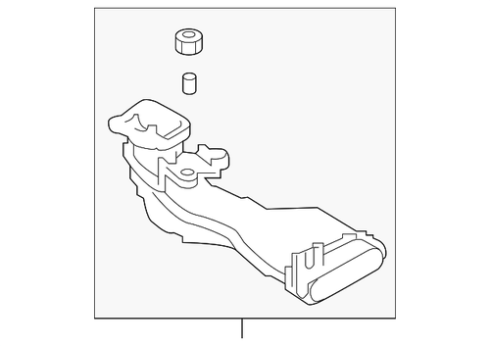 | https://nissan.oempartsonline.com/oem-parts/nissan-resonator-165856ca0b
11 | Toyota | 17805-0P050 | Resonator - Toyota (17805-0P050) | 2014-2016 Toyota Highlander - 178050p050 | 74.69 | Toyota Highlander 2014-2016 | Toyota Highlander 2014-2016 3.5L V6 - Electric/Gas | 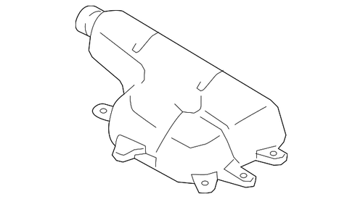 | https://toyota.oempartsonline.com/oem-parts/toyota-resonator-178050p050
12 | Toyota | 17880-0P230 | Resonator - Toyota (17880-0P230) | 2016-2023 Toyota Tacoma - 178800p230 | 110.13 | Toyota Tacoma 2016-2023 | Toyota Tacoma 2016-2023 3.5L V6 - Gas | 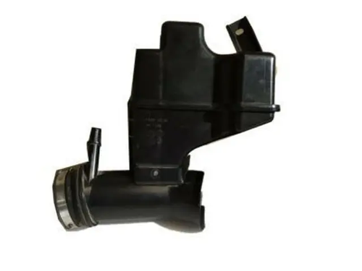 | https://toyota.oempartsonline.com/oem-parts/toyota-resonator-178800p230
13 | Toyota | 17893-0H010 | Resonator - Toyota (17893-0H010) | 2007-2011 Toyota Camry - 178930h010 | 40.27 | Toyota Camry 2007-2011 | Toyota Camry 2007-2009 2.4L L4 - Gas Toyota Camry 2007-2011 2.4L L4 - Electric/Gas | 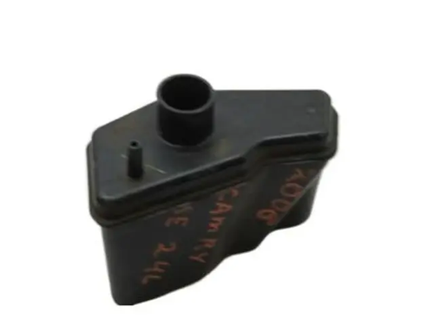 | https://toyota.oempartsonline.com/oem-parts/toyota-resonator-178930h010
14 | Toyota | 17893-0P100 | Resonator - Toyota (17893-0P100) | 2014-2016 Toyota Highlander - 178930p100 | 7.93 | Toyota Highlander 2014-2016 | Toyota Highlander 2014-2016 3.5L V6 - Electric/Gas | 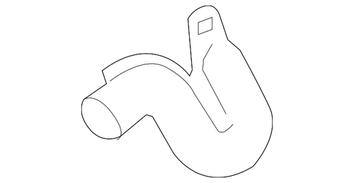 | https://toyota.oempartsonline.com/oem-parts/toyota-resonator-178930p100
15 | Toyota | 17893-0V010 | Resonator - Toyota (17893-0V010) | 2009-2015 Toyota - 178930v010 | 25.38 | Toyota Camry 2010-2011 Toyota Venza 2009-2015 | Toyota Camry 2010-2011 2.5L L4 - Gas Toyota Venza 2009-2015 2.7L L4 - Gas | 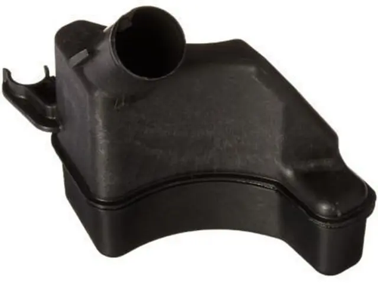 | https://toyota.oempartsonline.com/oem-parts/toyota-resonator-178930v010
16 | Toyota | 17893-18010 | Resonator - Toyota (17893-18010) | 2023-2024 Toyota GR Corolla - 1789318010 | 56.2 | Toyota GR Corolla 2023-2024 | Toyota GR Corolla 2023-2024 1.6L L3 - Gas | 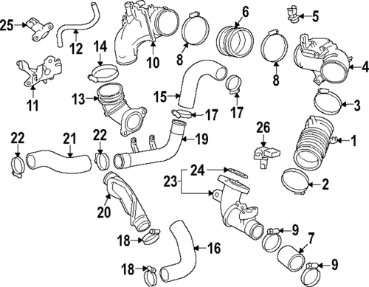 | https://toyota.oempartsonline.com/oem-parts/toyota-resonator-1789318010
17 | Toyota | 17893-62070 | Resonator - Toyota (17893-62070) | 1999-2002 Toyota 4Runner - 1789362070 | 103.34 | Toyota 4Runner 1999-2002 | Toyota 4Runner 1999-2002 3.4L V6 - Gas | 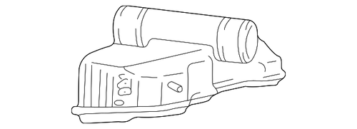 | https://toyota.oempartsonline.com/oem-parts/toyota-resonator-1789362070
18 | Toyota | 17894-28130 | Resonator - Toyota (17894-28130) | 2008-2015 Scion xB - 1789428130 | 39.96 | Scion xB 2008-2015 | Scion xB 2008-2015 2.4L L4 - Gas | 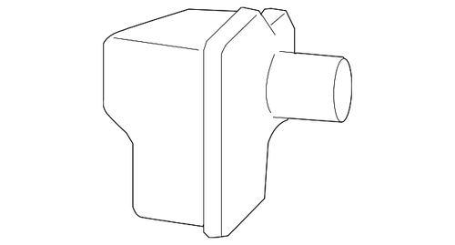 | https://toyota.oempartsonline.com/oem-parts/toyota-resonator-1789428130
19 | Toyota | 53295-60010 | Resonator - Toyota (53295-60010) | 1993-1997 Toyota Land Cruiser - 5329560010 | 67.33 | Toyota Land Cruiser 1993-1997 | Toyota Land Cruiser 1993-1997 4.5L L6 - Gas | 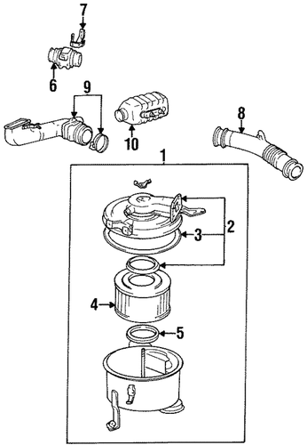 | https://toyota.oempartsonline.com/oem-parts/toyota-resonator-5329560010
20 | Toyota | 17805-0P010 | Resonator - Toyota (17805-0P010) | 2007-2011 Toyota Camry - 178050p010 | 133.4 | Toyota Camry 2007-2011 | Toyota Camry 2007-2011 3.5L V6 - Gas | 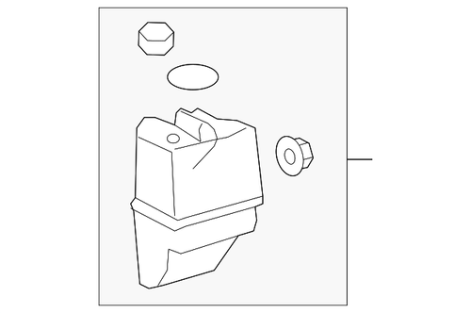 | https://toyota.oempartsonline.com/oem-parts/toyota-resonator-178050p010

